SGROUP
Cod.Art. | Famiglia | Descrizione | Quantità | Schede Tecniche | Prezzo Retail | TOTALE RETAIL | Immagini
E130600511 | ADAMAS | Applique ADAMAS 4X1W 350 mA 3000K 10° | 25 |  | 252.00 € | 6,300 | 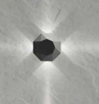
E130600513 | ADAMAS | Applique ADAMAS 4X1W 350 mA 3000K 60° | 15 |  | 252.00 € | 3,780
E130600531 | ADAMAS | Applique ADAMAS 4X1W 350 mA 4000K 10° | 32 |  | 252.00 € | 8,064
E130600532 | ADAMAS | Applique ADAMAS 4X1W 350 mA 4000K 40° | 21 |  | 252.00 € | 5,292
E130600533 | ADAMAS | Applique ADAMAS 4X1W 350 mA 4000K 60° | 22 |  | 252.00 € | 5,544
E130700531 | ADAMAS | Applique ADAMAS 8X1W 350 mA 4000K 10° | 4 |  | 329.00 € | 1,316 | 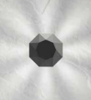
E130700532 | ADAMAS | Applique ADAMAS 8X1W 350 mA 4000K 40° | 61 |  | 329.00 € | 20,069
E750900212 | ALDUS | Inc tec ALDUS 1X30W 700mA 3000K 35° | 44 |  | 159.00 € | 6,996 | 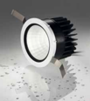
E750900232 | ALDUS | Inc tec ALDUS 1X30W 700mA 4000K 35° | 72 |  | 159.00 € | 11,448
E750900712 | ALDUS | Inc tec ALDUS 1X30W 700mA 3000K 35° | 26 |  | 159.00 € | 4,134
E750900732 | ALDUS | Inc tec ALDUS 1X30W 700mA 4000K 35° | 16 |  | 159.00 € | 2,544
SPALRISHXXXXE27 | ALRISHA | SOSPENSIONE ALRISHA | 21 |  | 2,800.00 € | 58,800 | 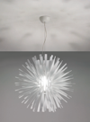
E130400511 | ASPERITAS | Applique ASPERITAS 1X3W 700 mA 3000K 10° | 6 |  | 105.00 € | 630 | 
E130400533 | ASPERITAS | Applique ASPERITAS 1X3W 700 mA 4000K 60° | 31 |  | 105.00 € | 3,255
APBALI40BCBCFLE | BALIOS | APPLIQUE BALIOS 40 BIANCO FLAT | 2 |  | 338.00 € | 676 | 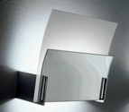
APBALI40TATAFLE | BALIOS | APPLIQUE BALIOS 40 TABACCO FLAT | 3 |  | 357.00 € | 1,071 | 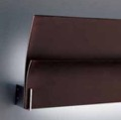
APBALI40TATAR7S | BALIOS | APPLIQUE BALIOS 40 TABACCO R7S | 8 |  | 321.00 € | 2,568 | 
PLBEL03012VVEXX | BELL | PLAF. BELL 030 12V VERDE | 1 |  | 348.00 € | 348 | 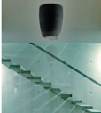
PLBEL05012VNEXX | BELL | PLAF. BELL 050 12V NERO | 1 |  | 769.00 € | 769
AP10XXXXRSXXE27 | Bora | APPLIQUE BORA ROSSO E27 | 1 |  | 175.00 € | 175 | 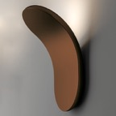
APCLAV45NEXXFLE | Clavius | APPLIQUE CLAVIUS 45 NERO FLAT ELETTRONIC | 1 |  | 502.00 € | 502 | 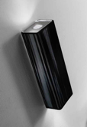
APCLAV45TAXXALO | Clavius | APPLIQUE CLAVIUS 45 TABACCO HALOPAR | 2 |  | 424.00 € | 848
APCLAV45TAXXFLE | Clavius | APPLIQUE CLAVIUS 45 TABACCO FLAT ELETTRO | 4 |  | 502.00 € | 2,008
APCLAVGRNEXXFLE | Clavius | APPLIQUE CLAVIUS GRANDE NERO FLAT | 5 |  | 882.00 € | 4,410 | 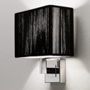
SPCLA140SAORLED | Clavius | SOSPENSIONE CLAVIUS140 SABBIA ORO LED | 2 |  | 1,276.00 € | 2,552 | 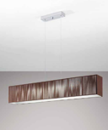
SPCLA140TACRLED | Clavius | SOSPENSIONE CLAVIUS 140 TABACCO LED | 1 |  | 1,160.00 € | 1,160
UTCLAV60BCCRE26 | Clavius | PIANTANA CLAVIUS 60X60 BIANCO USA | 3 |  | 1,503.00 € | 4,509 | 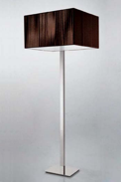
UTCLAV60NECRE26 | Clavius | PIANTANA CLAVIUS 60X60 NERO USA | 3 |  | 1,503.00 € | 4,509
UTCLAV60TACRE26 | Clavius | PIANTANA CLAVIUS 60X60 TABACCO USA | 2 |  | 1,503.00 € | 3,006
ZACLAV45NEXXE14 | Clavius | APPLIQUE CLAVIUS 45 NERO E14 | 2 |  | 335.00 € | 670
E130100614 | CYMA | Applique CYMA 2X6W 700 mA 3000K diffuso | 46 |  | 192.00 € | 8,832 | 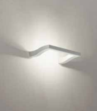
E130100634 | CYMA | Applique CYMA 2X6W 700 mA 4000K diffuso | 62 |  | 192.00 € | 11,904
APDAM030FLEBCXX | DAMASCO | APPL. DAMASCO 030 FLE BIANCO | 1 |  | 347.00 € | 347
LTDAM032E27GRXX | DAMASCO | LAMP. DA TAV. DAMASCO 032 E27 GRIGIO | 1 |  | 712.00 € | 712
SPDAM032FLEGRXX | DAMASCO | SOSP. DAMASCO 032 FLE GRIGIO | 1 |  | 399.00 € | 399
E750500213 | DELMINIO | Inc tec DELMINIO 40 1X6W 700mA 3000K 40° | 62 |  | 94.00 € | 5,828 | 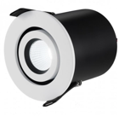
E750500233 | DELMINIO | Inc tec DELMINIO 40 1X6W 700mA 4000K 40° | 46 |  | 94.00 € | 4,324
E750500733 | DELMINIO | Inc tec DELMINIO 40 1X6W 700mA 4000K 40° | 44 |  | 94.00 € | 4,136
E750600212 | DELMINIO | Inc tec DELMINIO 20 1X6W 700mA 3000K 20° | 76 |  | 94.00 € | 7,144
E750600232 | DELMINIO | Inc tec DELMINIO 20 1X6W 700mA 4000K 20° | 66 |  | 94.00 € | 6,204
E750600712 | DELMINIO | Inc tec DELMINIO 20 1X6W 700mA 3000K 20° | 102 |  | 94.00 € | 9,588
E750600732 | DELMINIO | Inc tec DELMINIO 20 1X6W 700mA 4000K 20° | 70 |  | 94.00 € | 6,580
APEXTR40BLXXR7S | EXTREME | APPLIQUE EXTREME 40 VETRO BLU | 1 |  | 476.00 € | 476 | 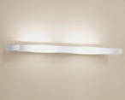
E751700712 | FICINUS | Inc tec FICINUS 1 1X6W 700mA 3000K 40° | 44 |  | 105.00 € | 4,620 | 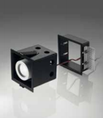
E751700732 | FICINUS | Inc tec FICINUS 1 1X6W 700mA 4000K 40° | 36 |  | 105.00 € | 3,780
E751800732 | FICINUS | Inc tec FICINUS 2 2X6W 700mA 4000K 40° | 16 |  | 180.00 € | 2,880
E751900712 | FICINUS | Inc tec FICINUS 3 3X6W 700mA 3000K 40° | 37 |  | 268.00 € | 9,916
E751900732 | FICINUS | Inc tec FICINUS 3 3X6W 700mA 4000K 40° | 37 |  | 268.00 € | 9,916
E130500511 | FRAGMENTA | Applique FRAGMENTA 2X3W 700 mA 3000K 10° | 21 |  | 204.00 € | 4,284 | 
E130500531 | FRAGMENTA | Applique FRAGMENTA 2X3W 700mA 4000K 10° | 4 |  | 204.00 € | 816
FAGLITTESPCRE27 | GLITTER | SPOT GLITTER | 17 |  | 622.00 € | 10,574
PLKOSHIXWECRR7S | KOSHI | PLAFONIERA KOSHI | 9 |  | 497.00 € | 4,473 | 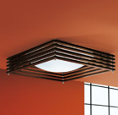
ULKOSHIPWECRG9X | KOSHI | LAMPADA DA TAVOLO KOSHI PICCOLA USA | 2 |  | 281.00 € | 562
E750700212 | LANDINUS | Inc tec LANDINUS 1X13W 1000mA 3000K 24° | 98 |  | 119.00 € | 11,662 | 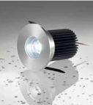
E750700213 | LANDINUS | Inc tec LANDINUS 1X13W 1000mA 3000K 50° | 48 |  | 119.00 € | 5,712
E750700232 | LANDINUS | Inc tec LANDINUS 1X13W 1000mA 4000K 24° | 59 |  | 119.00 € | 7,021
E750700233 | LANDINUS | Inc tec LANDINUS 1X13W 1000mA 4000K 50° | 58 |  | 119.00 € | 6,902
E750700712 | LANDINUS | Inc tec LANDINUS 1X13W 1000mA 3000K 24° | 60 |  | 119.00 € | 7,140
E750700713 | LANDINUS | Inc tec LANDINUS 1X13W 1000mA 3000K 50° | 51 |  | 119.00 € | 6,069
E750700732 | LANDINUS | Inc tec LANDINUS 1X13W 1000mA 4000K 24° | 55 |  | 119.00 € | 6,545
E750700733 | LANDINUS | Inc tec LANDINUS 1X13W 1000mA 4000K 50° | 48 |  | 119.00 € | 5,712
SPLEDGEXRSCRLED | LEDGE | SOSPENSIONE LEDGE ROSSO | 10 |  | 640.00 € | 6,400
APMARYLICSNIE27 | MARYLIN | APPLIQUE MARYLIN NICKEL | 34 |  | 483.00 € | 16,422 | 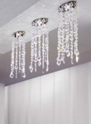
APMARYLINENIE27 | MARYLIN | APPLIQUE MARYLIN NICKEL NERO | 7 |  | 721.00 € | 5,047
FAMARYLICSNI12V | MARYLIN | FARETTO MARYLIN CROMO CRISTALLO | 7 |  | 230.00 € | 1,610 | 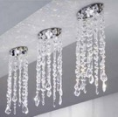
PLMARY12CSNIG9X | MARYLIN | PLAFONIERA MARYLIN PICCOLA NICKEL | 2 |  | 379.00 € | 758
PLMARY12NENIG9X | MARYLIN | PLAFONIERA MARYLIN PICCOLA NICKEL NERO | 13 |  | 570.00 € | 7,410 | 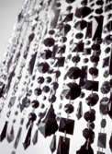
SPMARY36NENIG9X | MARYLIN | SOSPENSIONE MARYLIN 36 NICKEL NERO | 5 |  | 1,316.00 € | 6,580 | 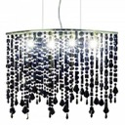
PLMU120QBCXXFLE | MUSE | PLAFONIERA MUSE120X120 BIANCO FLAT 55 | 1 |  | 555.00 € | 555 | 
APOBIXXXBCBCE14 | OBI | APPLIQUE OBI BIANCO E 14 | 1 |  | 278.00 € | 278
APOBIXXXNEBCE14 | OBI | APPLIQUE OBI NERO E 14 | 1 |  | 278.00 € | 278
APOBIXXXTABCE14 | OBI | APPLIQUE OBI TABACCO E 14 | 15 |  | 278.00 € | 4,170
LTOBIXXXTACRE27 | OBI | LAMPADA TAVOLO OBI TABACCO CROMO E27 | 6 |  | 943.00 € | 5,658 | 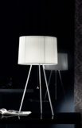
SPOBI20XBCCRE27 | OBI | SOSPENSIONE OBI 20 BIANCO CROMO E27 | 3 |  | 429.00 € | 1,287 | 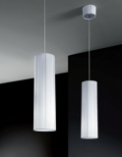
SPOBI20XTACRE27 | OBI | SOSPENSIONE OBI 20 TABACCO CROMO E27 | 1 |  | 429.00 € | 429
SPOBI43XTACRE27 | OBI | SOSPENSIONE OBI 43 TABACCO CROMO E27 | 4 |  | 554.00 € | 2,216 | 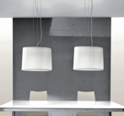
SPOBI63XTACRE27 | OBI | SOSPENSIONE OBI 63 TABACCO CROMO E27 | 1 |  | 704.00 € | 704 | 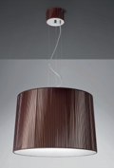
USOBI43XTACRE26 | OBI | SOSPENSIONE OBI 43 TABACCO CROMO E26 | 1 |  | 554.00 € | 554
E750100714 | PICUS | Inc tec PICUS 1X1W 350mA 3000K diffuso | 5 |  | 41.00 € | 205 | 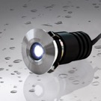
E753400714 | PICUS2 | Inc tec PICUS2 1X1W 350mA 3000K diffuso | 143 |  | 41.00 € | 5,863
E953100312 | PLETON | Inc calp PLETON 40 1X4W 24V 3000K 40° | 2 |  | 127.00 € | 254 | 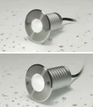
E953100332 | PLETON | Inc calp PLETON 40 1X4W 24V 4000K 40° | 1 |  | 127.00 € | 127
E750200211 | POLITIANUS | Inc tec POLITIANUS 1X3W 700mA 3000K 10° | 100 |  | 34.00 € | 3,400 | 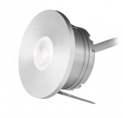
E750200212 | POLITIANUS | Inc tec POLITIANUS 1X3W 700mA 3000K 25° | 80 |  | 34.00 € | 2,720
E750200213 | POLITIANUS | Inc tec POLITIANUS 1X3W 700mA 3000K 40° | 10 |  | 34.00 € | 340
E750200231 | POLITIANUS | Inc tec POLITIANUS 1X3W 700mA 4000K 10° | 33 |  | 34.00 € | 1,122
E750200232 | POLITIANUS | Inc tec POLITIANUS 1X3W 700mA 4000K 25° | 2 |  | 34.00 € | 68
E750200713 | POLITIANUS | Inc tec POLITIANUS 1X3W 700mA 3000K 40° | 16 |  | 34.00 € | 544
E750200731 | POLITIANUS | Inc tec POLITIANUS 1X3W 700mA 4000K 10° | 35 |  | 34.00 € | 1,190
E750200732 | POLITIANUS | Inc tec POLITIANUS 1X3W 700mA 4000K 25° | 13 |  | 34.00 € | 442
E952900312 | PONTANUS | Inc calp PONTANUS 1X3W 500mA 3000K 38° | 90 |  | 89.00 € | 8,010 | 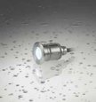
E952900313 | PONTANUS | Inc calp PONTANUS 1X3W 500mA 3000K 60° | 61 |  | 89.00 € | 5,429
E111180734 | RYTHMOS | Ap RYTHMOS 18X0,5W 350mA 4000K diffuso | 41 |  | 222.00 € | 9,102 | 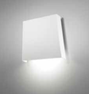
E111190734 | RYTHMOS | Ap RYTHMOS 36X0,5W 350mA 4000K diffuso | 38 |  | 272.00 € | 10,336
E111200700 | RYTHMOS | Applique RYTHMOS testata | 52 |  | 138.00 € | 7,176 | 
E111280714 | RYTHMOS | Ap RYTHMOS test 18X0,5W 350mA 3000K diff | 43 |  | 222.00 € | 9,546
E111280734 | RYTHMOS | Ap RYTHMOS test 18X0,5W 350mA 4000K diff | 27 |  | 222.00 € | 5,994
E111290714 | RYTHMOS | Ap RYTHMOS test 36X0,5W 350mA 3000K diff | 52 |  | 272.00 € | 14,144
E111290734 | RYTHMOS | Ap RYTHMOS test 36X0,5W 350mA 4000K diff | 22 |  | 272.00 € | 5,984
E111300700 | RYTHMOS | Applique RYTHMOS centrale | 58 |  | 138.00 € | 8,004 | 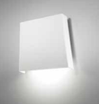
E211510734 | RYTHMOS | Sosp RYTHMOS 18X0,5W 350mA 4000K diffuso | 17 |  | 310.00 € | 5,270 | 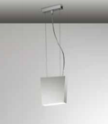
E211610734 | RYTHMOS | Sosp RYTHMOS 36X0,5W 350mA 4000K diffuso | 24 |  | 353.00 € | 8,472
E110600614 | SINUS | Ap SINUS 6X1W 350mA 3000K diffuso | 37 |  | 251.00 € | 9,287 | 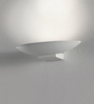
E110600634 | SINUS | Ap SINUS 6X1W 350mA 4000K diffuso | 89 |  | 251.00 € | 22,339
E210610614 | SINUS | Sosp SINUS 6X1,5W 800mA 3000K diffuso | 147 |  | 288.00 € | 42,336 | 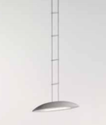
E210610634 | SINUS | Sosp SINUS 6X1,5W 800mA 4000K diffuso | 98 |  | 288.00 € | 28,224
APSKI040FLEBAXX | SKIN | APPL. SKIN 040 FLE BIANCO AVORIO | 2 |  | 354.00 € | 708 | 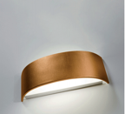
APSKI040FLENEXX | SKIN | APPL. SKIN 040 FLE NERO | 4 |  | 354.00 € | 1,416
APSKI070FLEARXX | SKIN | APPL. SKIN 070 FLE ARANCIO | 1 |  | 442.00 € | 442 | 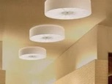
APSKI070FLEBCXX | SKIN | APPL. SKIN 070 FLE BIANCO | 1 |  | 442.00 € | 442
APSKR028FLEXXRS | SKIRT | APPL. SKIRT 028 FLE ROSSO | 1 |  | 380.00 € | 380 | 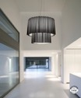
APSLIGHTRSCRE14 | SLIGHT | APPLIQUE SLIGHT ROSSA | 10 |  | 332.00 € | 3,320
LTSLIGHPRSCRE14 | SLIGHT | LAMPADA TAVOLO SLIGHT PICCOLA ROSSA | 2 |  | 399.00 € | 798 | 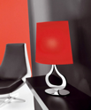
SPSLIGHTRSCRE27 | SLIGHT | SOSPENSIONE SLIGHT ROSSA | 3 |  | 769.00 € | 2,307 | 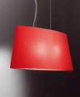
E210410614 | SOL | Sospensione SOL 2X9W 700 mA 3000K | 78 |  | 329.00 € | 25,662 | 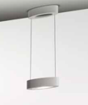
E210410634 | SOL | Sospensione SOL 2X9W 700 mA 4000K | 83 |  | 329.00 € | 27,307
E310400614 | SOL | PL SOL 1X9W 700mA 3000K diffuso | 168 |  | 265.00 € | 44,520
E310400634 | SOL | Plafoniera SOL 1X9W 700 mA 4000K | 30 |  | 265.00 € | 7,950 | 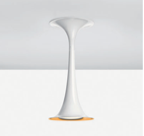
E750800212 | STELLATUS | Inc tec STELLATUS 1X13W 1000mA 3000K 24° | 41 |  | 138.00 € | 5,658
E750800213 | STELLATUS | Inc tec STELLATUS 1X13W 1000mA 3000K 50° | 27 |  | 138.00 € | 3,726
E750800232 | STELLATUS | Inc tec STELLATUS 1X13W 1000mA 4000K 24° | 52 |  | 138.00 € | 7,176
E750800233 | STELLATUS | Inc tec STELLATUS 1X13W 1000mA 4000K 50° | 54 |  | 138.00 € | 7,452
E750800712 | STELLATUS | Inc tec STELLATUS 1X13W 1000mA 3000K 24° | 36 |  | 138.00 € | 4,968
E750800713 | STELLATUS | Inc tec STELLATUS 1X13W 1000mA 3000K 50° | 14 |  | 138.00 € | 1,932
E750800732 | STELLATUS | Inc tec STELLATUS 1X13W 1000mA 4000K 24° | 48 |  | 138.00 € | 6,624
E750800733 | STELLATUS | Inc tec STELLATUS 1X13W 1000mA 4000K 50° | 45 |  | 138.00 € | 6,210
E110000433 | STILLA | Applique STILLA 1X7W 4000K 56° | 4 |  | 241.00 € | 964 | 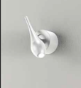
E110000713 | STILLA | Applique STILLA 1X8,4W LED 3000K 56° | 6 |  | 241.00 € | 1,446
E210060412 | STILLA | Sosp STILLA 1X7W 350 mA 3000K 47° | 1 |  | 277.00 € | 277 | 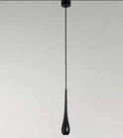
E210060413 | STILLA | Sosp STILLA 1X7W 350 mA 3000K 56° | 4 |  | 277.00 € | 1,108
E310000413 | STILLA | Plafoniera STILLA 11,8W LED 3000K 56° | 108 |  | 264.00 € | 28,512 | 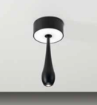
E310000433 | STILLA | Plafoniera STILLA 1X6W 12V 4000K 56° | 64 |  | 264.00 € | 16,896
E310000712 | STILLA | Plafoniera STILLA 11,8W LED 3000K 47° | 23 |  | 264.00 € | 6,072
USSUNSH1MONTATU | SUNSHADE | MONTATURA+SCATOLA SP.SUNSHADE 1 L. USA | 44 |  | 236.00 € | 10,384 | 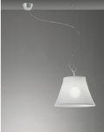
E750300213 | TELESIUS | Inc tec TELESIUS 40 1X6W 700mA 3000K 40° | 19 |  | 66.00 € | 1,254 | 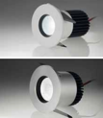
E750300233 | TELESIUS | Inc tec TELESIUS 40 1X7W 350mA 4000K 40° | 94 |  | 66.00 € | 6,204
E750300713 | TELESIUS | Inc tecTELESIUS 40 1X7W 350mA 3000K 40° | 54 |  | 66.00 € | 3,564
E750300733 | TELESIUS | Inc tec TELESIUS 40 1X6W 700mA 4000K 40° | 30 |  | 66.00 € | 1,980
E750400212 | TELESIUS | Inc tec TELESIUS 20 1X6W 700mA 3000K 20° | 83 |  | 78.00 € | 6,474
E750400232 | TELESIUS | Inc tec TELESIUS 20 1X6W 700mA 4000K 20° | 44 |  | 78.00 € | 3,432
E750400712 | TELESIUS | Inc tec TELESIUS 20 1X6W 700mA 3000K 20° | 4 |  | 78.00 € | 312
E750400732 | TELESIUS | Inc tec TELESIUS 20 1X6W 700mA 4000K 20° | 58 |  | 78.00 € | 4,524
APVEL070FLEBAXX | VELVET | APPL. VELVET 070 FLE AVORIO | 3 |  | 466.00 € | 1,398 | 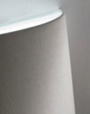
E310100732 | VIRTUS | PL VIRTUS 2X3W 12V 4000K diff/directio | 4 |  | 280.00 € | 1,120 | 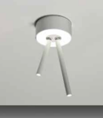
E310700734 | VOLUPTAS | Plafo VOLUPTAS 4X1W 700mA 4000K diffuso | 35 |  | 181.00 € | 6,335 | 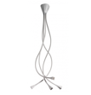
E310800714 | VOLUPTAS | PL VOLUPTAS 140 4X1W 700mA 3000K diffuso | 8 |  | 181.00 € | 1,448
E310800734 | VOLUPTAS | PL VOLUPTAS 140 4X1W 700mA 4000K diffuso | 40 |  | 181.00 € | 7,240
E310900714 | VOLUPTAS | PL VOLUPTAS 4-140 16X1W 700mA 3000K diff | 97 |  | 549.00 € | 53,253
E310900734 | VOLUPTAS | PL VOLUPTAS 4-140 16X1W 700mA 4000K diff | 1 |  | 549.00 € | 549
AP15XXXXBCXXE27 |  | APPLIQUE WHISPER BIANCO E27 | 2.00 |  | 90.00 € | 180
AP22XXXXBCXXE27 |  | APPLIQUE ARIA BIANCO E27 | 1.00 |  |  | -
APPEGASURSXXE14 |  | APPLIQUE PEGASUS 2 LUCI ROSSO | 2.00 |  | 543.00 € | 1,086
APPRI1BRCSCR12V |  | APPLIQUE PRIMULA 1 LUCE BRACCIO | 1.00 |  | 237.00 € | 237
E110000413 |  | Applique STILLA 1X8,4W LED 3000K 56° | 35.00 |  | 241.00 € | 8,435
E652660612 |  | Proiettore LEON 15 1X15W 220V 3000K 40° | 21.00 |  | 276.00 € | 5,796
E652660631 |  | Proiettore LEON 15 1X15W 220V 4000K 24° | 2.00 |  | 276.00 € | 552
E652660632 |  | Proiettore LEON 15 1X15W 220V 4000K 40° | 62.00 |  | 276.00 € | 17,112
E652760612 |  | Proiettore LEON 26 1X26W 220V 3000K 40° | 21.00 |  | 358.00 € | 7,518
E652760631 |  | Proiettore LEON 26 1X26W 220V 4000K 24° | 4.00 |  | 358.00 € | 1,432
E652760632 |  | Proiettore LEON 26 1X26W 220V 4000K 40° | 7.00 |  | 358.00 € | 2,506
E652860631 |  | Proiettore LEON 42 1X42W 220V 4000K 24° | 72.00 |  | 531.00 € | 38,232
E652860632 |  | Proiettore LEON 42 1X42W 220V 4000K 40° | 6.00 |  | 531.00 € | 3,186
LTLEDGEXRSCRLED |  | LAMPADA DA TAVOLO LEDGE ROSSO | 1.00 |  | 893.00 € | 893
LTLOLLOPNELEE14 |  | LAMPADA TAVOLO PIC. LEGNO NERO | 1.00 |  | 192.00 € | 192
LTSPILLGRSCR12V |  | LAMPADA GRANDE SPILLRAY ROSSO | 2.00 |  | 463.00 € | 926
LTSPILLPARCR12V |  | LAMPADA PICCOLA SPILLRAY ARANCIO | 3.00 |  | 382.00 € | 1,146
LTSPILLPCSCR12V |  | LAMPADA PICCOLA SPILLRAY CRISTALLO | 2.00 |  | 307.00 € | 614
PL31XXXXBCXXG9X |  | PLAFONIERA FLAT G9 | 1.00 |  | 90.00 € | 90
PTSUNSHAMONTATU |  | MONTATURA+SCATOLA PT SUNSHADE | 6.00 |  | 410.00 € | 2,460
SPPRIMP1CSCR12V |  | SOSPENSIONE PRIMULA PICCOLA 1 LUCE | 1.00 |  | 237.00 € | 237
SPSUBZDECSCR12V |  | SOSP. SUBZERO DEC | 1.00 |  | 90.00 € | 90
SPSUNDE1MONTATU |  | MONTATURA +SCATOLA SP SUNSHADE 1 DEC | 40.00 |  | 242.00 € | 9,680
SPSUNSH1MONTATU |  | MONTATURA+SCATOLA SP.SUNSHADE 1 L. | 169.00 |  | 256.00 € | 43,264
ULSUBZERVACRE12 |  | LAMPADA DA TAVOLO SUBZERO VANIGLIA/ORO | 1.00 |  | 230.00 € | 230
 |  | TOTALE | 5,155 |  |  | 1,089,133

